Holmberg_2013
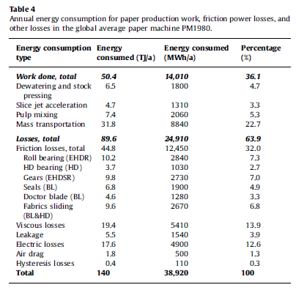
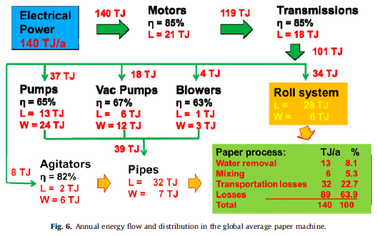
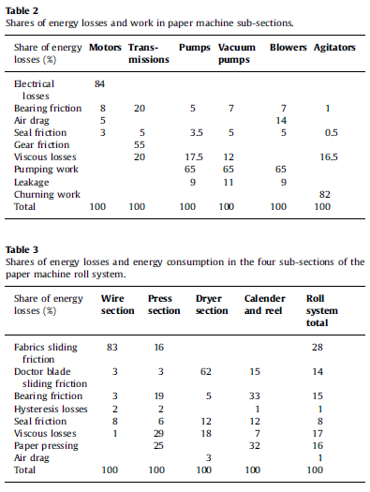
Holmberg et al (2013) - Global energy consumption due to friction in paper machines
https://doi.org/10.1016/j.triboint.2013.02.003
 |  |  |  | Friction losses
Year | Country | Machine | Efficiency | Item | 1980 [-] | 1980 [coeff] | 2010 [coeff] | Ratio [coeff] | 2010 [-]
1980 | WLD | Paper machines | 36.00% | Roll bearing | 7.30% | 0.02 | 0.01 | 0.5 | 3.65%
2010 | WLD | Paper machines | 51.22% | HD Bearing | 2.70% | 0.04 | 0.02 | 0.5 | 1.35%
 |  |  |  | Gears | 7.00% | 0.06 | 0.03 | 0.5 | 3.50%
 |  |  |  | Seals | 4.90% | 0.13333333333 | 0.076666666667 | 0.575 | 2.82%
 |  |  |  | Doctor blade | 3.30% | 0.4 | 0.4 | 1 | 3.30%
 |  |  |  | Fabrics sliding | 6.80% | 0.1 | 0.1 | 1 | 6.80%

 |  |  |  | Viscous losses
 |  |  |  | Item | 1980 [-] | 1980 [coeff] | 2010 [coeff] | Ratio [coeff] | 2010 [-]
 |  |  |  | Viscous losses | 13.90% | 18 | 12 | 0.66666666667 | 9.27%

 |  |  |  | Other losses
 |  |  |  | Item | 1980 [-] | 1980 [coeff] | 2010 [coeff] | Ratio [coeff] | 2010 [-]
 |  |  |  | Leakage | 3.90% | N/A | N/A | N/A | 3.90%
 |  |  |  | Electric losses | 12.60% | N/A | N/A | N/A | 12.60%
 |  |  |  | Air drag | 1.30% | N/A | N/A | N/A | 1.30%
 |  |  |  | Hysteresis losses | 0.30% | N/A | N/A | N/A | 0.30%

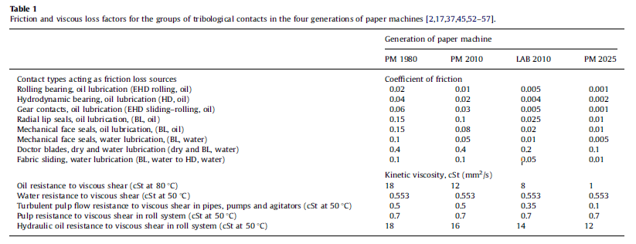
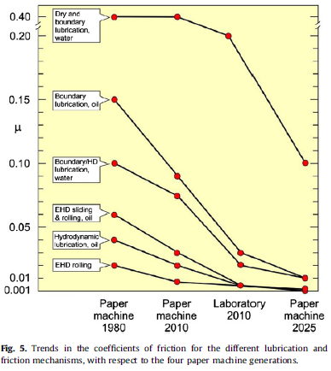
 |  |  |  | Total losses
 |  |  |  | Item | 1980 [-] | 2010 [-]
 |  |  |  | Paper machines | 64.00% | 48.78%

UNEP_2017
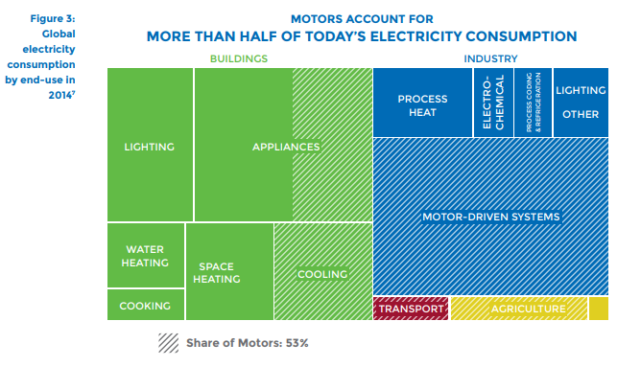
UNEP (2017) - Energy-Efficient Electric Motors and Motor Systems
https://united4efficiency.org/wp-content/uploads/2017/09/U4E-MotorGuide-201709-Final.pdf
Raw Data
Year | Machine | Eta.fu | Year | Machine | Eta.fu | Source
1960 | Electric motor (45KW) | 0.88 | 1960 | Electric motor (45KW) | 0.88 | UNEP (2017)
1980 | Electric motor (45KW) | 0.9 | 1961 | Electric motor (45KW) | 0.881 | Interpolated
1990 | Electric motor (45KW) | 0.902 | 1962 | Electric motor (45KW) | 0.882 | Interpolated
2000 | Electric motor (45KW) | 0.939 | 1963 | Electric motor (45KW) | 0.883 | Interpolated
2010 | Electric motor (45KW) | 0.951 | 1964 | Electric motor (45KW) | 0.884 | Interpolated
2013 | Electric motor (45KW) | 0.958 | 1965 | Electric motor (45KW) | 0.885 | Interpolated
 |  |  | 1966 | Electric motor (45KW) | 0.886 | Interpolated
 |  |  | 1967 | Electric motor (45KW) | 0.887 | Interpolated
 |  |  | 1968 | Electric motor (45KW) | 0.888 | Interpolated
 |  |  | 1969 | Electric motor (45KW) | 0.889 | Interpolated
 |  |  | 1970 | Electric motor (45KW) | 0.89 | Interpolated
 |  |  | 1971 | Electric motor (45KW) | 0.891 | Interpolated
 |  |  | 1972 | Electric motor (45KW) | 0.892 | Interpolated
 |  |  | 1973 | Electric motor (45KW) | 0.893 | Interpolated
 |  |  | 1974 | Electric motor (45KW) | 0.894 | Interpolated
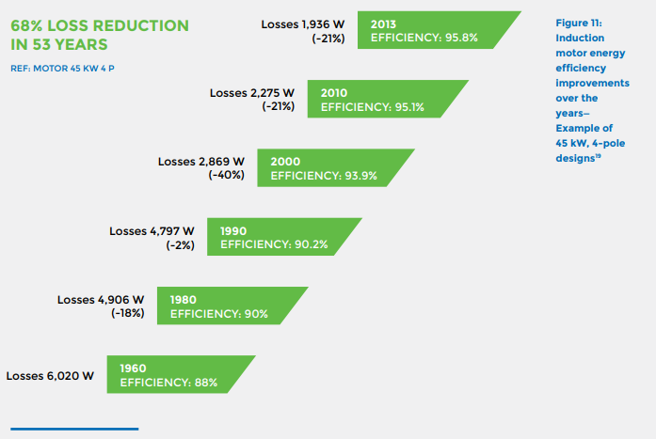
 |  |  | 1975 | Electric motor (45KW) | 0.895 | Interpolated
 |  |  | 1976 | Electric motor (45KW) | 0.896 | Interpolated
 |  |  | 1977 | Electric motor (45KW) | 0.897 | Interpolated
 |  |  | 1978 | Electric motor (45KW) | 0.898 | Interpolated
 |  |  | 1979 | Electric motor (45KW) | 0.899 | Interpolated
 |  |  | 1980 | Electric motor (45KW) | 0.9 | UNEP (2017)
 |  |  | 1981 | Electric motor (45KW) | 0.9002 | Interpolated
 |  |  | 1982 | Electric motor (45KW) | 0.9004 | Interpolated
 |  |  | 1983 | Electric motor (45KW) | 0.9006 | Interpolated
 |  |  | 1984 | Electric motor (45KW) | 0.9008 | Interpolated
 |  |  | 1985 | Electric motor (45KW) | 0.901 | Interpolated
 |  |  | 1986 | Electric motor (45KW) | 0.9012 | Interpolated
 |  |  | 1987 | Electric motor (45KW) | 0.9014 | Interpolated
 |  |  | 1988 | Electric motor (45KW) | 0.9016 | Interpolated
 |  |  | 1989 | Electric motor (45KW) | 0.9018 | Interpolated
 |  |  | 1990 | Electric motor (45KW) | 0.902 | UNEP (2017)
 |  |  | 1991 | Electric motor (45KW) | 0.9057 | Interpolated
 |  |  | 1992 | Electric motor (45KW) | 0.9094 | Interpolated
 |  |  | 1993 | Electric motor (45KW) | 0.9131 | Interpolated
 |  |  | 1994 | Electric motor (45KW) | 0.9168 | Interpolated
 |  |  | 1995 | Electric motor (45KW) | 0.9205 | Interpolated
 |  |  | 1996 | Electric motor (45KW) | 0.9242 | Interpolated
 |  |  | 1997 | Electric motor (45KW) | 0.9279 | Interpolated
 |  |  | 1998 | Electric motor (45KW) | 0.9316 | Interpolated
 |  |  | 1999 | Electric motor (45KW) | 0.9353 | Interpolated
 |  |  | 2000 | Electric motor (45KW) | 0.939 | UNEP (2017)
 |  |  | 2001 | Electric motor (45KW) | 0.9402 | Interpolated
 |  |  | 2002 | Electric motor (45KW) | 0.9414 | Interpolated
 |  |  | 2003 | Electric motor (45KW) | 0.9426 | Interpolated
 |  |  | 2004 | Electric motor (45KW) | 0.9438 | Interpolated
 |  |  | 2005 | Electric motor (45KW) | 0.945 | Interpolated
 |  |  | 2006 | Electric motor (45KW) | 0.9462 | Interpolated
 |  |  | 2007 | Electric motor (45KW) | 0.9474 | Interpolated
 |  |  | 2008 | Electric motor (45KW) | 0.9486 | Interpolated
 |  |  | 2009 | Electric motor (45KW) | 0.9498 | Interpolated
 |  |  | 2010 | Electric motor (45KW) | 0.951 | UNEP (2017)
 |  |  | 2011 | Electric motor (45KW) | 0.9533 | Interpolated
 |  |  | 2012 | Electric motor (45KW) | 0.9557 | Interpolated
 |  |  | 2013 | Electric motor (45KW) | 0.958 | UNEP (2017)
 |  |  | 2014 | Electric motor (45KW) | 0.9603 | Extrapolated
 |  |  | 2015 | Electric motor (45KW) | 0.9627 | Extrapolated
 |  |  | 2016 | Electric motor (45KW) | 0.9650 | Extrapolated
 |  |  | 2017 | Electric motor (45KW) | 0.9673 | Extrapolated
 |  |  | 2018 | Electric motor (45KW) | 0.9697 | Extrapolated
 |  |  | 2019 | Electric motor (45KW) | 0.9720 | Extrapolated
 |  |  | 2020 | Electric motor (45KW) | 0.9743 | Extrapolated

